Forecast
Capacity Price |  |  | Delivery: Capacity Price |  |  |  |  |  | Q1/25 v1
 | $/kW-mo | $/kW-mo | $/kW-yr | $/kW-yr | Levelized Summary |  | $/kW-mo | $/kW-mo | Old North
 | MISO-North | MISO-South | MISO-North | MISO-South | Period | # of Years | MISO-North | MISO-South | 4.1822916667 |  | MISO-North | MISO-South |  | spp old | new
2025 | 6.55 | 6.42 | 78.6 | 77.0 | 2026-2030 | 6 | $7.72 | $7.42 | 4.5567270833 | 2025 | 0.0 | 0.0 | 2025 | 51 | 51 | 0
2026 | 6.80 | 6.64 | 81.7 | 79.6 | 2026-2035 | 10 | $9.26 | $8.49 | 4.9311625 | 2026 | 0.0 | 0.0 | 2026 | 60 | 60 | 0
2027 | 7.06 | 6.86 | 84.7 | 82.3 | 2026-2040 | 15 | $10.73 | $9.18 | 6.4289041667 | 2027 | 0.0 | 0.0 | 2027 | 62 | 62 | 0
2028 | 7.32 | 7.08 | 87.8 | 84.9 | 2026-2045 | 20 | $11.71 | $9.60 | 8.30108125 | 2028 | 0.0 | 0.0 | 2028 | 65 | 65 | 0
2029 | 7.57 | 7.29 | 90.9 | 87.5 |  |  |  |  | 11.671 | 2029 | 0.0 | 0.0 | 2029 | 67 | 67 | 0
2030 | 8.60 | 8.17 | 103.2 | 98.1 |  |  |  |  | 12.334133246 | 2030 | 0.0 | 0.0 | 2030 | 70 | 70 | 0
2031 | 9.88 | 9.27 | 118.5 | 111.3 |  |  |  |  | 12.997266492 | 2031 | 0.0 | 0.0 | 2031 | 72 | 72 | 0
2032 | 11.67 | 10.81 | 140.1 | 129.8 |  |  |  |  | 13.660399738 | 2032 | 0.0 | 0.0 | 2032 | 75 | 75 | 0
2033 | 12.63 | 11.03 | 151.6 | 132.3 |  |  |  |  | 14.323532984 | 2033 | 0.0 | 0.0 | 2033 | 77 | 77 | 0
2034 | 13.60 | 11.24 | 163.2 | 134.9 |  |  |  |  | 14.986666231 | 2034 | 0.0 | 0.0 | 2034 | 80 | 80 | 0
2035 | 14.56 | 11.46 | 174.7 | 137.5 |  |  |  |  | 15.692606451 | 2035 | 0.0 | 0.0 | 2035 | 82 | 82 | 0
2036 | 15.52 | 11.67 | 186.3 | 140.0 |  |  |  |  | 16.398546671 | 2036 | 0.0 | 0.0 | 2036 | 94 | 94 | 0
2037 | 16.49 | 11.88 | 197.9 | 142.6 |  |  |  |  | 17.104486892 | 2037 | 0.0 | 0.0 | 2037 | 106 | 105 | -1
MISO Capacity Price ($/kW-mo)
2038 | 17.13 | 12.10 | 205.6 | 145.2 |  |  |  |  | 17.810427112 | 2038 | 0.0 | 0.0 | 2038 | 118 | 117 | -1
2039 | 17.77 | 12.31 | 213.3 | 147.7 |  |  |  |  | 18.516367332 | 2039 | 0.0 | 0.0 | 2039 | 130 | 129 | -1
2040 | 18.42 | 12.53 | 221.0 | 150.3 |  |  |  |  | 18.943912967 | 2040 | 0.0 | 0.0 | 2040 | 142 | 141 | -2
2041 | 18.96 | 12.74 | 227.5 | 152.9 |  |  |  |  | 19.371458602 | 2041 | 0.0 | 0.0 | 2041 | 154 | 152 | -2
2042 | 19.51 | 12.95 | 234.1 | 155.5 |  |  |  |  | 19.799004236 | 2042 | 0.0 | 0.0 | 2042 | 166 | 164 | -2
2043 | 20.05 | 13.17 | 240.6 | 158.0 |  |  |  |  | 20.226549871 | 2043 | 0.0 | 0.0 | 2043 | 178 | 176 | -3
2044 | 20.60 | 13.38 | 247.2 | 160.6 |  |  |  |  | 20.654095506 | 2044 | 0.0 | 0.0 | 2044 | 190 | 187 | -3
2045 | 21.15 | 13.60 | 253.8 | 163.2 |  |  |  |  | 21.081641141 | 2045 | 0.0 | 0.0 | 2045 | 202 | 199 | -3
2046 | 21.69 | 13.86 | 260.3 | 166.3 |  |  |  |  | 21.509186775 | 2046 | 0.0 | 0.0 | 2046 | 206 | 203 | -3
2047 | 22.24 | 14.12 | 266.9 | 169.4 |  |  |  |  | 21.93673241 | 2047 | 0.0 | 0.0 | 2047 | 210 | 207 | -3
2048 | 22.78 | 14.39 | 273.4 | 172.6 |  |  |  |  | 22.364278045 | 2048 | 0.0 | 0.0 | 2048 | 214 | 211 | -4
2049 | 23.33 | 14.66 | 280.0 | 175.9 |  |  |  |  | 22.79182368 | 2049 | 0.0 | 0.0 | 2049 | 218 | 215 | -4
2050 | 23.88 | 14.94 | 286.5 | 179.3 |  |  |  |  | 23.219369314 | 2050 | 0.0 | 0.0 | 2050 | 222 | 219 | -4
2051 | 24.42 | 15.22 | 293.1 | 182.7 |  |  |  |  | 23.646914949 | 2051 | 0.0 | 0.0 | 2051 | 227 | 223 | -4
2052 | 24.97 | 15.51 | 299.6 | 186.1 |  |  |  |  | 24.074460584 | 2052 | 0.0 | 0.0 | 2052 | 231 | 227 | -4
2053 | 25.51 | 15.81 | 306.2 | 189.7 |  |  |  |  | 24.502006218 | 2053 | 0.0 | 0.0 | 2053 | 235 | 231 | -4
2054 | 26.06 | 16.11 | 312.7 | 193.3 |  |  |  |  | 24.929551853 | 2054 | 0.0 | 0.0 | 2054 | 240 | 236 | -4
2055 | 26.61 | 16.41 | 319.3 | 197.0 |  |  |  |  | 25.403213338 | 2055 | 0.0 | 0.0 | 2055 | 244 | 240 | -4 | 15.3
MISO Capacity Price ($/kW-mo)
2056 | 27.11 | 16.72 | 325.3 | 200.7 |  |  |  |  | 25.885874392 | 2056 | 0.0 | 0.0 | 2056 | 249 | 245 | -4 | 9.6
2057 | 27.63 | 17.04 | 331.5 | 204.5 |  |  |  |  | 26.377706005 | 2057 | 0.0 | 0.0 | 2057 | 254 | 249 | -4
2058 | 28.15 | 17.37 | 337.8 | 208.4 |  |  |  |  | 26.878882419 | 2058 | 0.0 | 0.0 | 2058 | 258 | 254 | -4
2059 | 28.69 | 17.70 | 344.2 | 212.4 |  |  |  |  | 27.389581185 | 2059 | 0.0 | 0.0 | 2059 | 263 | 259 | -4
2060 | 29.23 | 18.03 | 350.8 | 216.4 |  |  |  |  |  | 2060 | 0.0 | 0.0 | 2060 | 268 | 264 | -4

 |  |  |  |  |  |  |  |  | $16.19
2030-2050 20yr levelized | $15.44 | $11.66 | ($0.74) |  |  |  |  |  | $26.08
 | $24.89 |  | ($1.19)

Backup_data
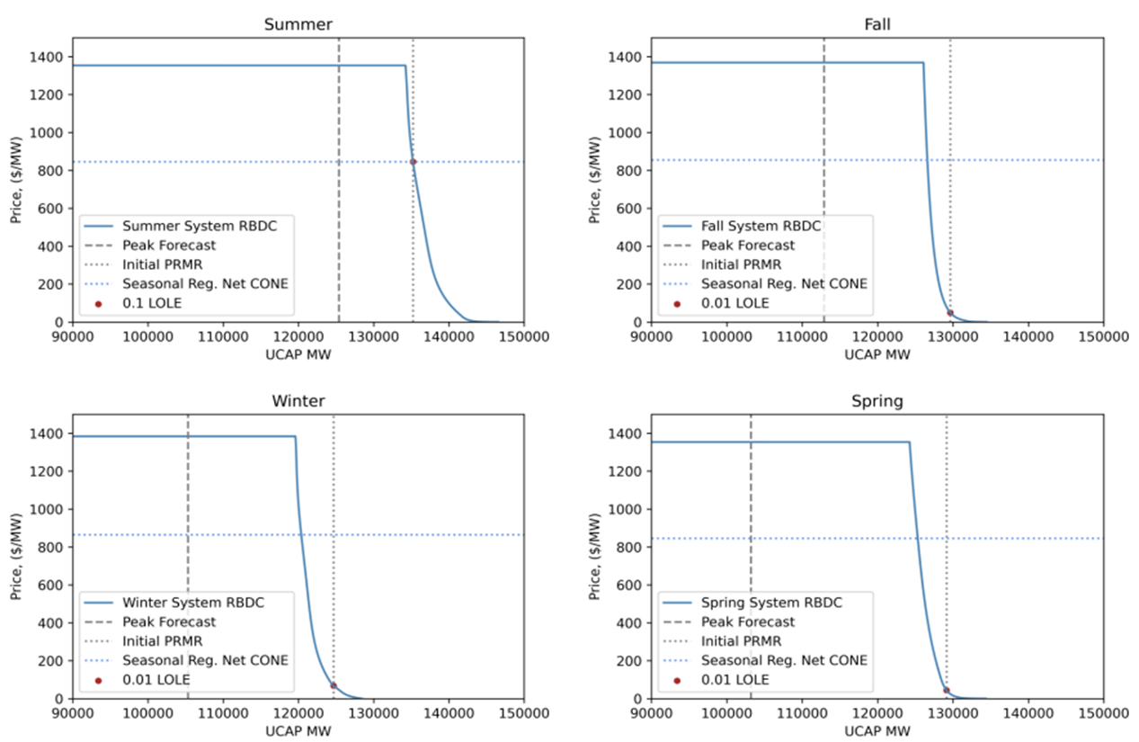
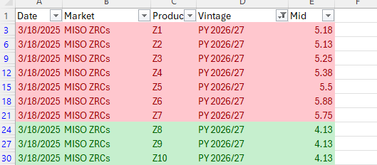
Karbone forwards
 | North | South
2026/27 | 5.44 | 4.13 | 5.18
 |  |  | 5.13
 |  |  | 5.25
 |  |  | 5.38
 |  |  | 5.5
 |  |  | 5.88
 |  |  | 5.75

MISO Auction Reliability Based Demand Curve (RBDC)
Price Cap is set at 4x Gross CONE. North and South have slightly different CONE costs.

